Insert Pivot table (2)
Years | 2015 | Filter section

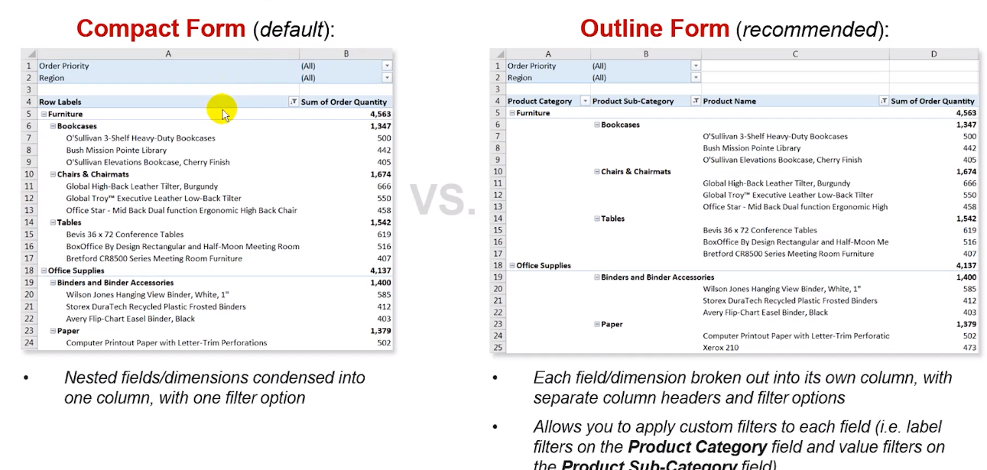
Country | Genre | Sum of Gross Revenue | Top5GrossRevenueSUm | Sum of Budget
USA | Action | 2973961682 | 34.89% | 2399000000
 | Adventure | 1962742501 | 23.03% | 1380150000
 | Animation | 173135392 | 2.03% | 88000000
 | Biography | 442508387 | 5.19% | 233000000
 | Comedy | 890454910 | 10.45% | 479900000
 | Crime | 59896218 | 0.70% | 53100000
 | Documentary | 29233 | 0.00% | 3500000
 | Drama | 739940261 | 8.68% | 407200000
 | Horror | 168213184 | 1.97% | 30395000
 | Mystery | 79156851 | 0.93% | 9000000
 | Sci-Fi | 22331028 | 0.26% | 12000000
USA Total |  | 7512369647 | 88.14% | 5095245000
UK |  | 438800283 | 5.15% | 504000000
China |  | 195073287 | 2.29% | 215000000
Australia |  | 153629485 | 1.80% | 150000000
Japan | Comedy | 110008260 | 1.29% | 35000000
Japan Total |  | 110008260 | 1.29% | 35000000
Canada | Fantasy | 52200504 | 0.61% | 10000000
Canada Total |  | 52200504 | 0.61% | 10000000
France | Action | 16027866 | 0.19% | 25000000
 | Adventure | 1339152 | 0.02% | 81200000
France Total |  | 17367018 | 0.20% | 106200000
Ireland | Drama | 14677654 | 0.17% | 13000000
Ireland Total |  | 14677654 | 0.17% | 13000000
Chile | Biography | 12188642 | 0.14% | 26000000
Chile Total |  | 12188642 | 0.14% | 26000000
India | Action | 6498000 | 0.08% | 18026148
India Total |  | 6498000 | 0.08% | 18026148
Mexico | Drama | 6420319 | 0.08% | 20000000
Mexico Total |  | 6420319 | 0.08% | 20000000
Hong Kong | Action | 2126511 | 0.02% | 36000000
Hong Kong Total |  | 2126511 | 0.02% | 36000000
Czech Republic | Crime | 1206135 | 0.01% | 50000000
Czech Republic Total |  | 1206135 | 0.01% | 50000000
Taiwan | Action | 613556 | 0.01% | 15000000
Taiwan Total |  | 613556 | 0.01% | 15000000
Brazil | Comedy | 375723 | 0.00% | 4000000
Brazil Total |  | 375723 | 0.00% | 4000000
Israel | Documentary | 34151 | 0.00% | 450000
Israel Total |  | 34151 | 0.00% | 450000

